recommendations
Recommendation Report for https://davidkucic.com/
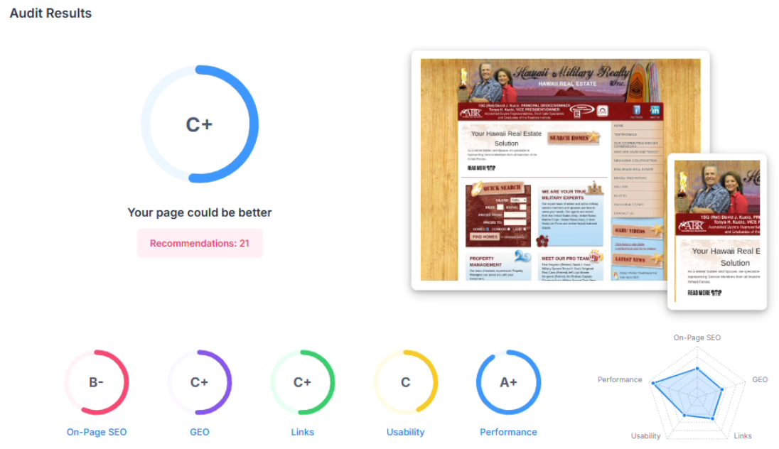

Meta Title Tag

The Title Tag is an important HTML element that tells users and Search Engines what the topic of the webpage is and the type of keywords the page should rank for. The Title will appear in the Header Bar of a user's browser. It is also one of the most important (and easiest to improve) On-Page SEO factors. We recommend setting a keyword rich Title between 50–60 characters. This is often simple to enter into your CMS system or may need to be manually set in the header section of the HTML code.

Meta Description Tag

Meta Description is another important HTML element that explains more descriptively to Search Engines what your page is about. Meta Descriptions are often used as the text snippets used in Search Engine results (though Search Engines are increasingly generating these themselves) and can help further signal to Search Engines what keywords your page should rank for. Make sure your page has a Meta Description included, and is at an optimum length (between 120 and 160 characters). Make your Meta Description text interesting and easy to comprehend. Use phrases and keywords relevant to the page and user that you would like to rank for. Meta Description is normally available to be updated in your CMS.

H1 Header Tag Usage

The H1 Header Tag is one of the most important ways of signaling to Search Engines the topic of a page and subsequently the keywords it should rank for. The H1 Tag normally appears as visible text in the largest font size on the page. We recommend adding a H1 Header Tag near the top of your page content and include important keywords you would like to rank for. You should have one, and only one H1 tag on each page. If you are using a CMS, this would normally be entered into the core content section of the page.

Image Alt Attributes

Alternate Image Text or Alt Text is descriptive text that is displayed in place of an image if it can't be loaded, as well as a label on an image when it is moused over in the browser, to give more information to the visitor. Additionally, Search Engines use provided Alt Text to better understand the content of an image. Image SEO is not widely known, but having your image rank for image searches is an overlooked way of gaining traffic and backlinks to your site. We recommend adding useful and keyword rich Alt Text for pages's main images, in particular those that could have ranking potential. This should be considered on a case-by-case basis. Often there may be imagery such as UI components or tracking pixels where it may not be useful to add Alt Text, though we have tried to filter a number of these out in our analysis.

Inline Styles

HTML provides the ability to embed UI styling attributes within individual HTML elements. Despite this feature being available, it is modern best practice to completely separate UI styling into separate CSS files. This separates functions and centralises UI styling into one place making it easier for example to upgrade the UI styling of a site independently of the page content and structure. Inline Styles also have some particular problems in that they can degrade the page load performance of a page and unnecessarily complicate HTML code. Inline Styles should be manually removed from the HTML code of a page and merged into separate CSS files, but may need the help of a designer to carefully consider their purpose and function.

Social Results
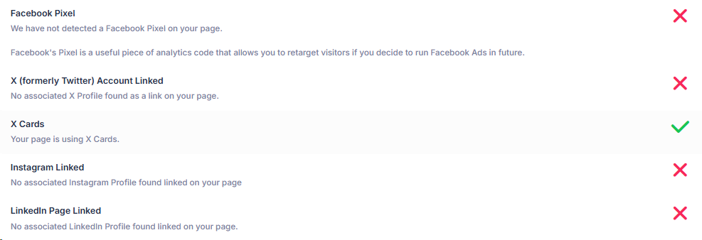
Creating Social Profiles as well as linking to these from your website can help to build trust in your business and provide other mediums to nurture your customer relationships. We recommend creating all common Social Profiles and linking to these from your website. Most CMS systems will offer fields to enter your Social Profile URLs and will display these in a button row section in the footer. Facebook Pixel is a piece of analytics code that allows Facebook to capture and analyse visitor information from your site. This allows you to retarget these visitors with Facebook messaging in future, or build new 'lookalike' audiences similar to your existing visitors. In can be a good idea to install a Facebook Pixel if you intend to do any Facebook related marketing in the future in order to prepare audience data.

Local SEO
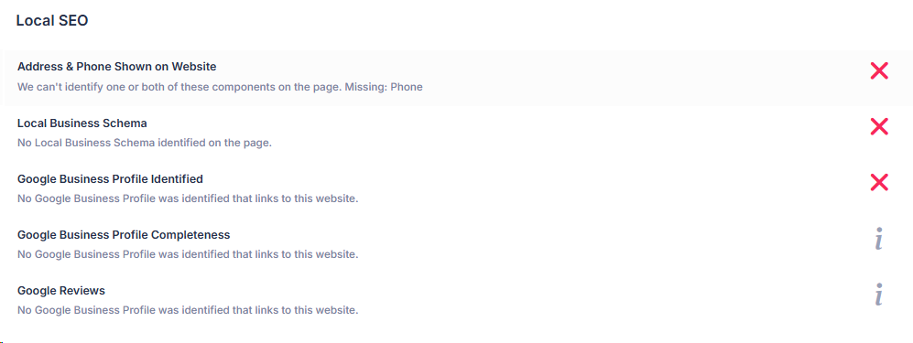
Local Business Schema is a type of structured data markup that can be added to the code of a webpage. Adding accurate Local Business Schema categories helps Search Engines more understand your website and the business it represents so that it can rank in local search results. The approach for adding Local Business Schema depends on your website's capabilities. Your CMS may have the ability to input this directly, or you may need to install a Schema app or plugin. Alternatively you can manually create your Schema through the use of an online Schema Generator tool and copy this into the code of your site. It is important your Google Business Profile (GBP) details are complete and correct - in particular those referred to as the 'NAP' - Name, Address Phone. This obviously helps local customers find your business, but also aids local SEO by helping Google accurately identify online citations of your business to understand the online presence, trust and reputation of your business. We recommend reviewing the details of your business's Google Business Profile and updating it as completely and accurately as possible. Google reviews and ratings are critical for a business - they can directly impact customer trust and reputation of your business which drives foot traffic, but are also a ranking signal Google uses to determine how to rank your business in local search results. Be pro-active in trying to drive reviews for your business (there are multiple methods and online tools to assist) as well as responding to any negative feedback.

Amount of Content

Numerous studies have shown that there is a relationship between the amount of content on a page (typically measured in word count) and it's ranking potential - generally longer content will rank higher. Obviously content also needs to be topically relevant, keyword rich and highly readable for the visitor. Note, in our assessment, we look at all selectable text on the page at load time, not hidden content. As a general guideline, it is recommended to have atleast 500 words of content on a page to give it some ranking potential. However this should be considered on a case by case basis. It may not be relevant for particular pages like 'contact us' pages for example.

